Process Flow
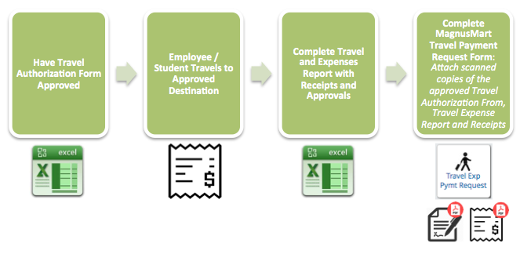

Authorization
Travel Authorization

To Be Completed 3 Weeks before Travel

 |  |  | GSA - Domestic Per Diem Rates
Name |  | *Per Diem Rate - M & I | $0.00
CSU ID Number |  | Per Diem Rate - Lodging | $0.00
Department |  | Per Diem Maximum | $0.00
Destination |  |  | Per diem for Meal & Incidentals is reimbursed at 75% for first and last day of travel*
Purpose
 | Dates of Travel | Estimated Expenses | $0.00
From Date |  | Portion to be Paid by CSU | $0.00
To Date
 |  |  | Requested Prepayment(s)
Account(s) To Be Charged |  | Common Carrier | $0.00
 |  | Registration | $0.00
 |  | Lodging (Students Only) | $0.00
 |  | Prepayment Total | $0.00

Name |  | Name
Title |  | Title
Signature |  | Signature
Approval Date |  | Approval Date

Name |  | Name
Title |  | Title
Signature |  | Signature
Approval Date |  | Approval Date

 | Travel paid with grant funds? Grant Approval (REQUIRED) |  | International Travel? Provost Approval (REQUIRED)
Name |  | Name
Signature |  | Signature
Approval Date |  | Approval Date

